Sheet1
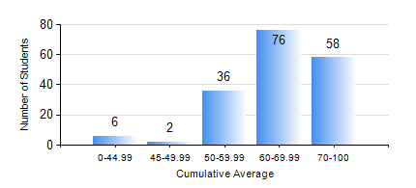
 |  |  | KWAME NKRUMAH UNIVERSITY OF SCIENCE AND TECHNOLOGY, KUMASI Department of Civil Engineering

 |  |  | BSC. CIVIL ENG.

 |  |  | COMPREHENSIVE RECORD OF EXAMINATION RESULTS

 |  |  | RESULTS OF YEAR 4 SECOND SEMESTER, 2022/2023 ACADEMIC YEAR

 | Sn | Course Code |  | Course Name | Credit Hours | Min. Mark | Max. Mark | Avg. Mark | Std. Dev. | No. Passed | No. Trailed | No. (Df) | No. (I) | No. (I*) | No. Tagged(I,I*,Df) | Total
 | 0. |  |  |  |  |  |  | 0 | 0 | 0 | 0 | 0 | 0 | 0 | 0 | 2
 | 1. | CE 456 |  | STRUCTURAL DYNAMICS | 3 | 40 | 97 | 77 | 12.04 | 54 | 0 | 0 | 1 | 0 | 1 | 55
 | 2. | CE 458 |  | WATER RESOURCES ENGINEERING II | 3 | 31 | 96 | 77 | 11.51 | 91 | 1 | 0 | 1 | 0 | 1 | 93
 | 3. | CE 462 |  | CONSTRUCTION MANAGEMENT | 3 | 16 | 94 | 71 | 19.25 | 166 | 9 | 0 | 1 | 0 | 1 | 176
 | 4. | CE 464 |  | ENVIRONMENTAL QUALITY ENGINEERING II | 3 | 42 | 99 | 82 | 10.75 | 151 | 0 | 0 | 2 | 0 | 2 | 153
 | 5. | CE 468 |  | TRANSPORTATION ENGINEERING | 3 | 13 | 92 | 62 | 13.43 | 165 | 3 | 0 | 2 | 0 | 2 | 170
 | 6. | CE 476 |  | SYSTEMS ENGINEERING II | 3 | 51 | 95 | 77 | 12.09 | 12 | 0 | 0 | 0 | 0 | 0 | 12
 | 7. | CE 478 |  | GROUND ENGINEERING | 3 | 16 | 89 | 61 | 17.25 | 44 | 5 | 0 | 0 | 0 | 0 | 49
 | 8. | CE 498 |  | PROJECT | 4 | 50 | 92 | 79 | 8.84 | 174 | 0 | 0 | 2 | 0 | 2 | 176

